EMR MP REQ FORM

PT. BAHTERA KONSTRUKSI SEJAHTERA
REQUEST FORM

DATE |  | :
REQUEST BY |  | : |  |  | CATEGORY | : | Mandor Payment
PROJECT |  | : |  |  | BANK | :
CUSTOMER |  | : |  |  | ACCOUNT NAME | :
DEPARTMENT |  | : |  |  | ACCOUNT NUMBER | :
REGION |  | : |  |  | PHONE NUMBER | :
CITY |  | : |  |  | NPWP | :

CLUSTER NAME |  |  | SITE ID | TYPE |  | HP

NO | SCOPE OF WORK |  |  |  | TOTAL (BOQ | REMARKS
1 | Example A
2 | Example B

PAYMENT |  |  |  | PERCENTAGE | AMOUNT | REMARKS
TOTAL
DP |  |  |  | 30%
TAX (EX: WHT21) |  |  |  | 2.5%
DEDUCTION / ADDITION
GRAND TOTAL

 | ELSA MONICA |  |  |  |  |  | JENNY
 | PROCUREMENT |  |  |  |  |  | CEO

EMR DONATION REQ FORM
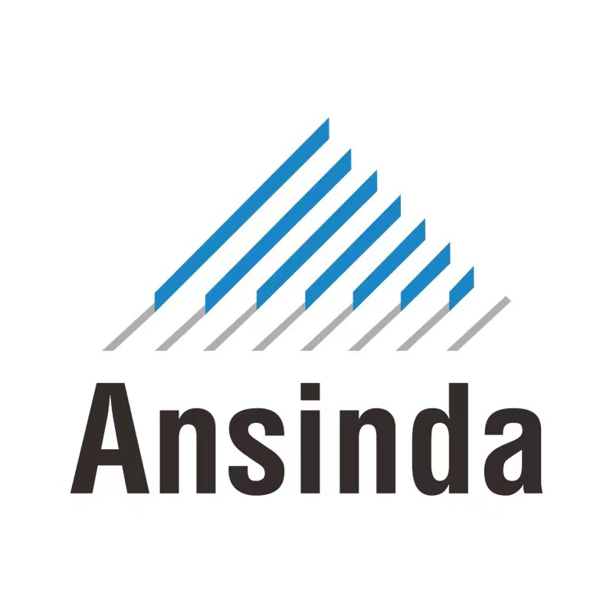
PT. ANSINDA COMMUNICATION INDONESIA
REQUEST FORM

DATE |  | :
REQUEST BY |  | : |  | CATEGORY | : | Donation
PROJECT |  | : |  | BANK | :
CUSTOMER |  | : |  | ACCOUNT NAME | :
DEPARTMENT |  | : |  | ACCOUNT NUMBER | :
REGION |  | : |  | PHONE NUMBER | :
CITY |  | : |  | NPWP | :

NO | CLUSTER NAME |  | SITE ID | AMOUNT | REMARKS

 | AGUNG SONATA |  |  | TONY |  | STEVEN
 | PROCUREMENT |  |  |  |  | CEO

